Application Screen
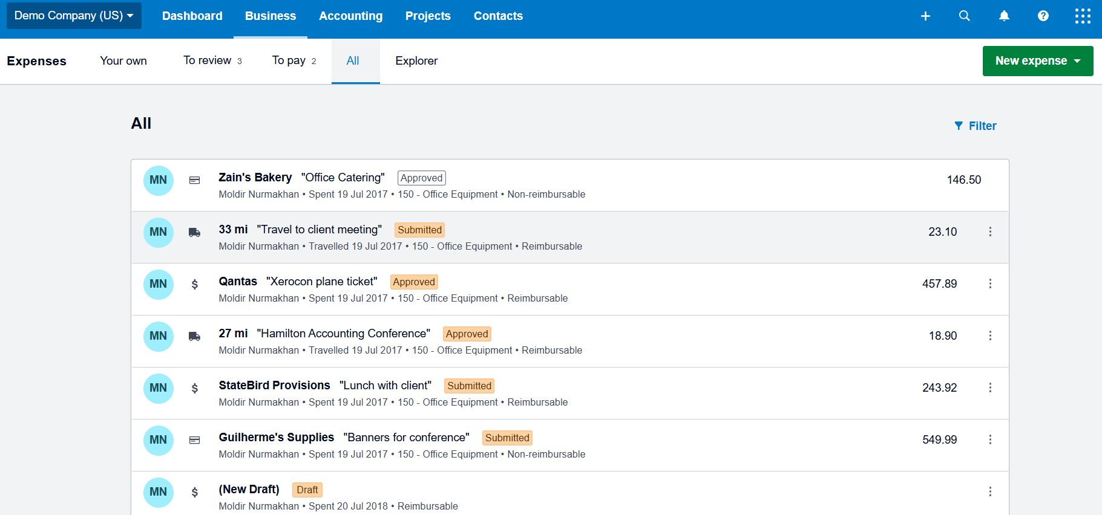
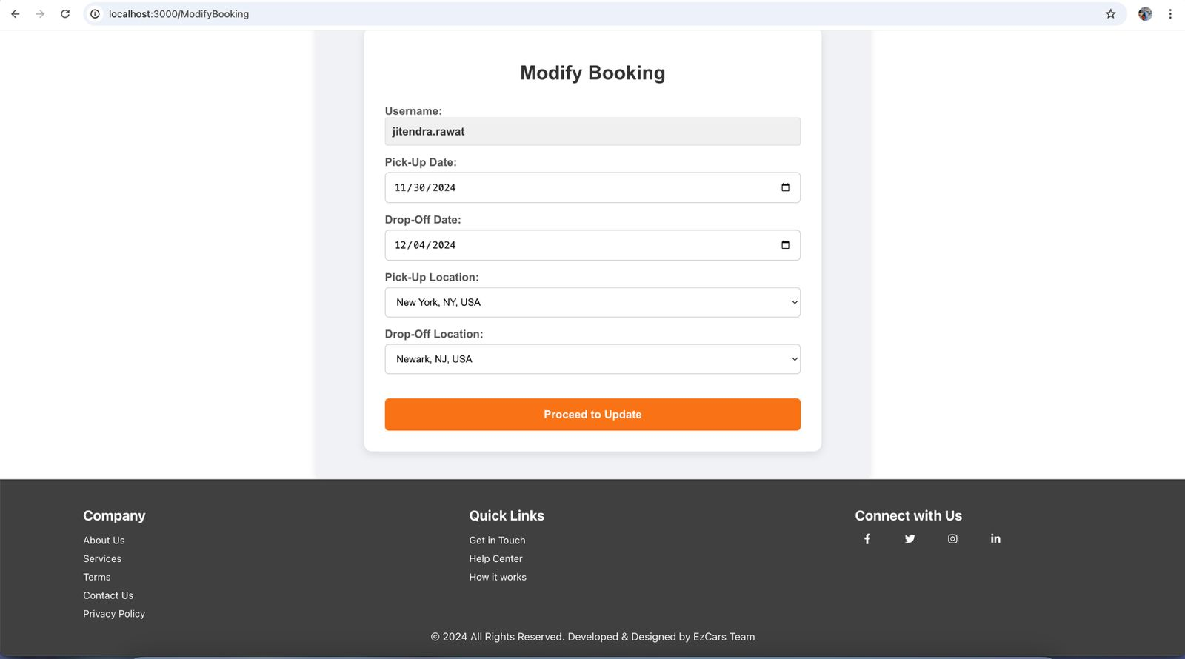

Test Case 8
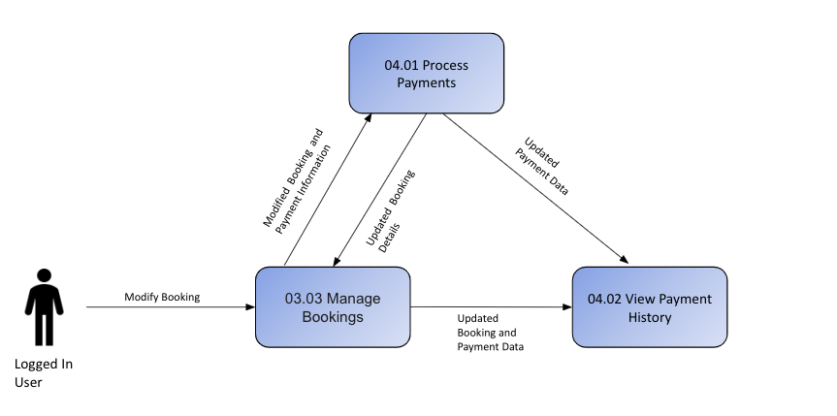
TC Title: | TC8. Manage Bookings - Data Flow-In Testing

TC Objective: | The objective of this test case is to confirm that when modifying the bookings, the application accurately retrieves the correct data from the backend, specifically from the Bookings, ensuring data consistency and integrity across these interconnected functionalities. This ensures that the bookings are displayed to the user is accurate, reflecting up-to-date information without errors or discrepancies, including reflecting changes made in the Booking module or backend.

TC Description
 | Step | Step Description | Expected Results
 | 1 | Access the Manage Bookings section. | The Manage Bookings section should be accessible to the user based on their privileges.
 | 2 | Initiate the request to retrieve booking data from the backend. | The application should send a request to the backend to fetch booking data from the Successful Bookings module.
 | 3 | Retrieve booking data from the backend. | The backend should return the correct booking data, including relevant details (e.g., Booking ID, Customer Name, Total Amount, Status, etc.).
 | 4 | Display the list of successful bookings. | Only bookings with a "Successful" status should be displayed in the Manage Bookings section.
 | 5 | Select a booking to modify (e.g., update booking status or details). | The user should be able to select and modify details of a booking, such as changing the status, updating the booking amount, or editing customer information.
 | 6 | Send the modification request to the backend. | The application should send the updated booking details to the backend for processing.
 | 7 | Update the booking details in the backend. | The backend should successfully process and save the updated booking information.
 | 8 | Refresh the Manage Bookings page to display updated data. | The updated booking details (e.g., new status or updated amount) should be displayed on the page after a refresh.
 | 9 | Ensure that changes are only allowed for the logged-in user’s bookings. | Only bookings associated with the logged-in user should be available for modification, ensuring data privacy.
 | 10 | Monitor data consistency between Bookings and Payments modules. | Any changes made in the Manage Bookings section should automatically update related data in the Payments module, and vice versa, maintaining consistency across both modules.
 | 11 | Attempt to modify a non-successful booking. | The system should restrict modifications to bookings with a "Successful" status, providing an appropriate error message for other statuses.
 | 12 | Inspect the impact of booking updates on other modules. | Changes made to bookings should seamlessly integrate with the Payments module, and any related payment details should automatically update without errors or inconsistencies.

